Indices

 | Iraq Stock Exchange
 | Bulletin No (115)
 | ISX Trading Indices of Sunday 5/7/2026

 | Traded Volume and OTC |  | 1,092,012,894 |  | Traded Value and OTC |  | 1,578,324,288 |  | Traders | 1032

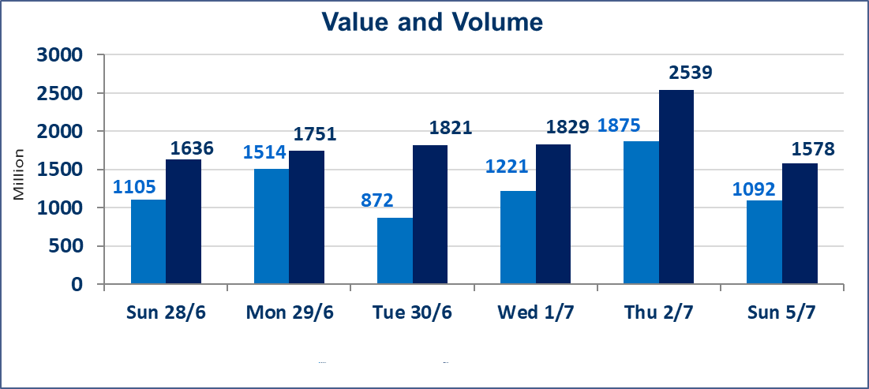
 | ISX Index 60 |  |  | 1022.46 | ISX Index 15 |  |  | 1285.23
 | Previous ISX Index60 |  |  | 1026.44 | Previous ISX Index15 |  |  | 1285.32
 | Change % |  |  | -0.39 | Change % |  |  | -0.01
 | Change |  |  | -3.98 | Change |  |  | -0.09

 | Listed Companies | 103 | OTC | 17 | Non Traded listed | 44 | OTC | 15
 | Traded Listed Companies | 46 | OTC | 2 | Higher Companies |  |  | 9
 | GAM Companies |  |  | 5 | Lower Companies |  |  | 22
 | Suspended Companies |  |  | 8
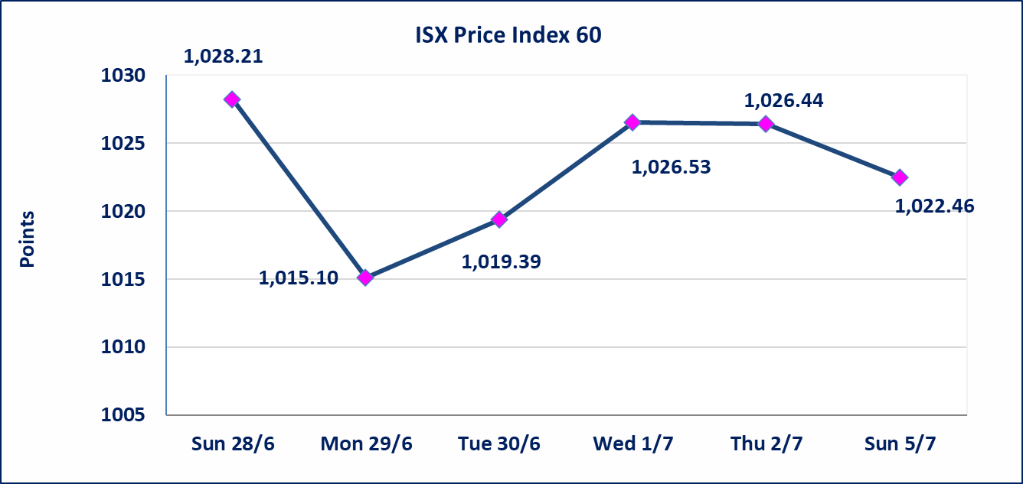
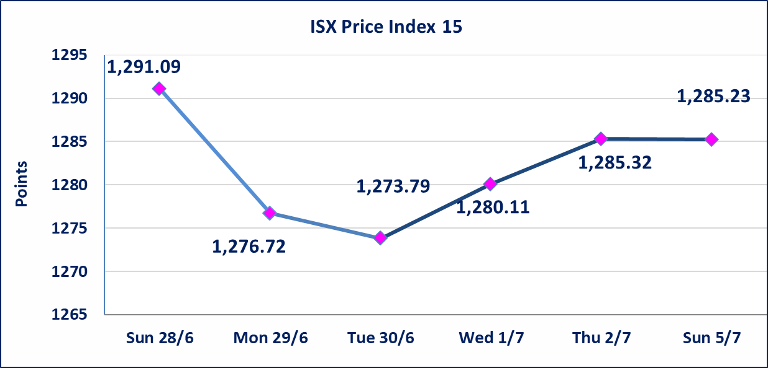

Al-Alwiya P.O . 3607 Mobile: 07711211522 - 07270094594 - 07834000034 E-mail: info-isx@isx-iq.net Web site:www.isx-iq.net

Top 5
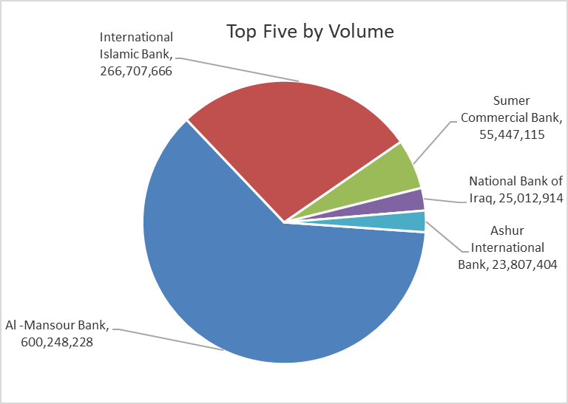
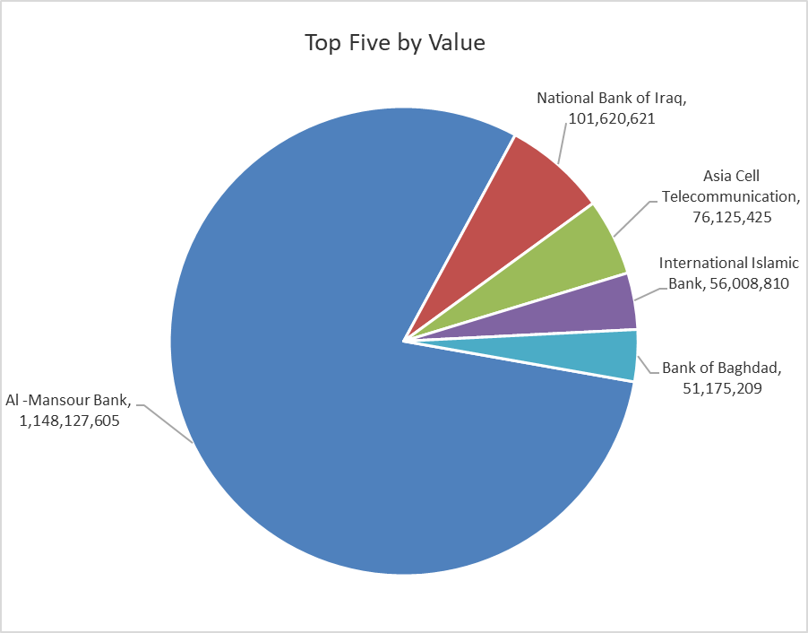

ISX top ganing and losing companies
Sunday 5/7/2026
 | Gainers |  |  |  | Losers
 | Company Name | Closing Price | Change (%) | Traded Volume | Company Name | Closing Price | Change (%) | Traded Volume
 | Middle East Bank | 0.090 | 12.50 | 91,407 | United Bank | 0.050 | -16.67 | 1,101,325
 | Modern Sewing | 6.000 | 8.70 | 2,742,537 | Iraqi Carton Manufactories | 2.210 | -9.80 | 987,971
 | Fallujah for construction Materials | 2.930 | 6.16 | 30,586 | Iraqi Date Processing and Marketing | 2.400 | -7.69 | 176,668
 | Kurdistan International Bank | 1.510 | 4.14 | 10,269,433 | Baghdad Hotel | 12.000 | -7.69 | 1,328,985
 | Kharkh Tour Amuzement City | 4.600 | 2.22 | 115,865 | Al-Taif Islamic Bank | 0.880 | -7.37 | 22,346
 | The most active companies in term of traded volume and value

 | Traded Volume |  |  |  | Traded Value
 | Company Name | Closing Price | Change (%) | Traded Volume | Company Name | Closing Price | Change (%) | Traded Value
 | Al -Mansour Bank | 1.920 | -0.52 | 600,248,228 | Al -Mansour Bank | 1.920 | -0.52 | 1,148,127,605
 | International Islamic Bank | 0.210 | -4.55 | 266,707,666 | National Bank of Iraq | 4.020 | 0.00 | 101,620,621
 | Sumer Commercial Bank | 0.220 | -4.35 | 55,447,115 | Asia Cell Telecommunication | 16.500 | 0.79 | 76,125,425
 | National Bank of Iraq | 4.020 | 0.00 | 25,012,914 | International Islamic Bank | 0.210 | -4.55 | 56,008,810
 | Ashur International Bank | 0.330 | 0.00 | 23,807,404 | Bank of Baghdad | 3.000 | -0.33 | 51,175,209

Non Iraqis

Iraq Stock Exchange
Non Iraqis' Bulletin Sunday July 5 2026
Regular Market

Non Iraqi Trading of Regular Market (Buy)
Company Names | Code | No.of trades | Traded Shares | Trading Volume
Banks Sector
Commercial Bank of Iraq | BCOI | 1 | 5,000 | 3,350
Bank Of Baghdad | BBOB | 1 | 14,580 | 43,886
National Bank Of Iraq | BNOI | 67 | 15,876,500 | 64,769,620
Al-Mansour Bank | BMNS | 10 | 50,739,596 | 97,420,024
Total Bank sector |  | 79 | 66,635,676 | 162,236,880
Grand Total |  | 79 | 66,635,676 | 162,236,880

Non Iraqi Trading of Regular Market (Sell)
Company Names | Code | No.of trades | Traded Shares | Trading Volume
Banks Sector
National Bank Of Iraq | BNOI | 7 | 4,598,192 | 18,568,671
Al-Mansour Bank | BMNS | 106 | 500,000,000 | 955,651,314
Total Bank sector |  | 113 | 504,598,192 | 974,219,985
Grand Total |  | 113 | 504,598,192 | 974,219,985

Non Iraqi Trading of Undisclosed Platform (Sell)
Company Names | Code | No.of trades | Traded Shares | Trading Volume
Industry Sector
The Light Industries | ITLI | 7 | 13,000 | 17,160
Total Industry sector |  | 7 | 13,000 | 17,160
Grand Total |  | 7 | 13,000 | 17,160

OTC

Iraq Stock Exchange

Sunday 5/7/2026

OTC Platform Trading Bulletin No (114)
Company Name | Code | highest price | lowest price | Average price | No.of Trades | Traded Volume | Traded Value
Banks Sector
Al-Warka Bank | BWAI | 0.140 | 0.140 | 0.140 | 1 | 2,852,692 | 399,377
Total Of Money Service Sector |  |  |  |  | 1 | 2,852,692 | 399,377
Money Service Sector
Rabee Securities | FRSE | 9.050 | 9.050 | 9.050 | 1 | 128,956 | 1,167,052
Total Of Money Service Sector |  |  |  |  | 1 | 128,956 | 1,167,052
Total |  |  |  |  | 2 | 2,981,648 | 1,566,429

Not Trading OTC Companies
Company Name |  |  | Code |  | Previous Average price
Banks Sector
Al-Sanam Islamic Bank |  |  | BSAN |  | 3.000
Hammurabi Commercial Bank |  |  | BHAM |  | ـــــــــــــــــــــــــــــــــــ
Industrial Sector
Kirkuk producing constructional materials |  |  | IKFP |  | 2.660
Money Service Sector
Karmal Brokerage |  |  | FKSX |  | 10.000
Iraqi Deposit Insurance Corporation |  |  | FIDI |  | 1.000
Ishtar Gate for e-Paymant |  |  | FISH |  | 1.000
Sama Baghdad Exchange |  |  | FSBE |  | ـــــــــــــــــــــــــــــــــــ
Insurance Sector
Almaseer lnsurance Company |  |  | NMAS |  | ـــــــــــــــــــــــــــــــــــ
Zain lnsurance Company |  |  | NZA |  | ـــــــــــــــــــــــــــــــــــ
Dar Altheqa Insurance Company |  |  | NDAR |  | ـــــــــــــــــــــــــــــــــــ
Shatt Al Arab Insurance |  |  | NSHA |  | 1.000
Al Badia Insurance |  |  | NBAD |  | ـــــــــــــــــــــــــــــــــــ
Kurdistan Insurance |  |  | NKUI |  | 0.500
Elaf Insurance |  |  | NELF |  | ـــــــــــــــــــــــــــــــــــ
Dilina Insurance Company |  |  | NDIL |  | ـــــــــــــــــــــــــــــــــــ

Not Trading Bonds

Iraq Stock Exchange
Sunday 5/7/2026
Not Trading Bonds Bulletin
Bond type | Publish type | Code | last trading price | immortilize date
Banaa Bonds /Million ID | Second | CB20 | 964,981 | 19/12/2025
Eamar Bonds /Million ID | First | CB30 | 1,001,095 | ــــــــــــــــ
Eamar Bonds /Million ID | Second | CB40 | ــــــــــــــــ | ــــــــــــــــ
Eamar Bonds /500 Thousand ID | Third | CB45 | ــــــــــــــــ | ــــــــــــــــ
Eamar Bonds /Million ID | Third | CB50 | ــــــــــــــــ | ــــــــــــــــ
Injaz Bonds /500 Thousand ID | First | CB55 | ــــــــــــــــ | ــــــــــــــــ
Injaz Bonds /Million ID | First | CB60 | 951,110 | ــــــــــــــــ
Injaz Bonds /500 Thousand ID | Second | CB65 | 511,000
Injaz Bonds /Million ID | Second | CB70 | 965,050 | ــــــــــــــــ
Injaz Bonds /500 Thousand ID | Third | CB75 | ــــــــــــــــ | ــــــــــــــــ
Injaz Bonds /Million ID | Third | CB80 | 978,182 | ــــــــــــــــ
National Bonds/Million ID | First | CB90 | ــــــــــــــــ | ــــــــــــــــ
National Bonds/500 Thousand ID | Second | CB95 | ــــــــــــــــ | ــــــــــــــــ
National Bonds/Million ID | Second | CB100 | ــــــــــــــــ | ــــــــــــــــ

